mean and SD
Mean and standard deviation
The mean shows you the “middle” value of your data. The standard deviation (SD) is an indicator how distributed your data is. It is common to draw the means in a bar chart, and to add error bars with +1 SD and -1 SD.
Write your data in Excel, and then use the function =mean() (or =Mittelwert() in German)
For the standard deviation, there are two variants:
English | German | Usage | Example
=STDEV.P() | =STABW.N() | entire population | you only have 5 flowers and calculate their SD
=STDEV.S() | =STABW.S() | sample | You have 20 flowers and calculate the SD from a random subset of 5

A manual can be found in the AETNA script on page 28: |  |  | https://a-etna.ch/scienceblog/aetna-skript-nun-c-frei/
And a learning movie about his topic is found here: |  |  | https://a-etna.ch/scienceblog/lernvideos/

Example: Comparing two sets of plants, one with and the other without fertilizer. The length in mm after 1 month is measured.

uncertainty: +- 1mm |  |  |  | <- do not forget to mention the uncertainty for all measured data

length [mm] | without fertilizer | with fertilizer
plant 1 | 12.0 | 18.7 |  | <- all your data should be formatted with the same amount of digits (also 12.0)
plant 2 | 14.2 | 19.1
plant 3 | 9.0 | 21.0
plant 4 | 13.0 | 17.0
plant 5 | 11.3 | 18.3
average | 11.90 | 18.82 |  | <- for formulas: only show one additional digit. 2 digits is standard for most calculations.
SD | 1.95 | 1.45 |  | <- the SD with fertilizer is lower, meaning these plants are closer around the average compared to the other group

Plant growth without and with fertilizer

 |  |  |  |  | <- add +- 1 SD for error bars. This is tricky to achieve in Excel, consult the manual!

Simpson’s reciprocal index
Simpson’s reciprocal index
Calculates the relative biodiversity of a given community.

example from: | https://old-ib.bioninja.com.au/options/option-c-ecology-and-conser/c4-conservation-of-biodiver/biodiversity.html

Picture Example

 | community 1 | community 2
tree A | 4 | 1
tree B | 4 | 2
tree C | 4 | 11
tree D | 4 | 2

sum | 16 | 16

SRI | 4.71 | 2.11 | <- community 1 has a higher evenness, the richness is the same in this example (both 4 species)

Practice Question

 | site 1 | site 2
species A | 6 | 4
species B | 1 | 4
species C | 1

sum | 8 | 8

SRI | 1.87 | 2.33 | <- site 2 has a higher evenness, althouhg the richness is lower (3 species compared to 4 species)

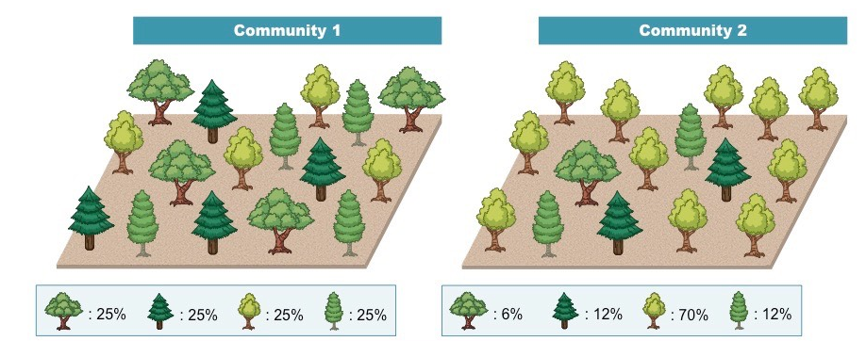

Working example with trees

 | habitat X | habitat Y
A | 4 | 1
B | 4 | 2
C | 4 | 11
D | 4 | 2
E

# species | 4 | 4
sum | 16 | 16

SRI | 5.00 | 2.11

 |  |  | https://old-ib.bioninja.com.au/options/option-c-ecology-and-conser/c4-conservation-of-biodiver/biodiversity.html

